Summary
Result Summary As of 20Aug2025
Before Solve Conflict
Total Pair | 793
Agree Yes | 343
Agree No | 397
Disagree | 53
Sum Agree Yes+Agree No+Disagree | 793
1st said only Yes | 0
2nd said only Yes | 53

#1
After Resolve Conflict
Total Pair | 793
Agree Yes | 371 | Change from 28 Disagree to Agress Yes
Agree No | 422 | Change from 25 Disagree to Agree No
Disagree | 0
Sum Agree Yes+Agree No+Disagree | 793
1st said only Yes | 0
2nd said only Yes | 0

Then pick 57 pairs "Agree Yes" consider as "Type Bug Fixing" to open PR
PR Summary
Total plan to open PR | 57
Able to open PR | 36
Not able to open PR (due to GH project/file no longer exist) | 21
Change to not useful pairs --> change to Agree No | 5
PR Accept = Yes | 3
PR Accept = No | 25
PR = Closed, but change was accepted and applied | 8
No PR | 21

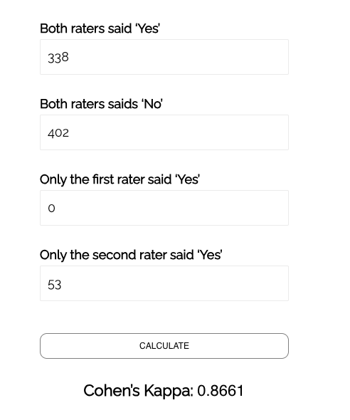
Re-calculate pair result (from PR result)
Total Pair | 793
Agree Yes | 338
Agree No | 402
Disagree | 53
Sum Agree Yes+Agree No+Disagree | 793
1st said only Yes | 0
2nd said only Yes | 53

Note: Calculation https://www.statology.org/cohens-kappa-calculator/
Above 0.61 is ok

Project List Summary | from this file | https://docs.google.com/spreadsheets/d/14MeZ8zKg4oYjgpgsnOWYuweuQacfJSsG/edit?usp=sharing&ouid=104593870412076316226&rtpof=true&sd=true
 | sheet | Compare Result Final 20Aug2025
Total projects: 361 unique project names (from 793 rows, meaning many projects appear multiple times).
Duplications: 112 projects appear more than once (x2, x3, etc.), while the rest occur only once.
Projects with Agree Yes: 186 projects had at least one result marked as Agree Yes.

